클렌징
1> G/L이 없는 계정
2월 => 한 컬럼이 더 많음. 그냥 따로 합치기

2> 차대가 안맞는 월
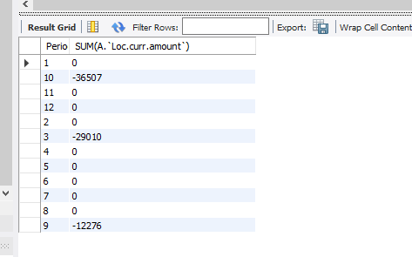

 |  |  |  |  |  |  |  |  |  | 871,869,358,012
 |  |  |  |  |  |  |  |  |  | 871,869,131,632
 |  |  |  |  |  |  |  |  |  | 226,380

월 | Period
11 | 3 | 1004_Nov 22 first half monthly.txt |  |  |  | >> 따옴표 제거 |  | 1004_ Nov 22 second half monthly.txt
 |  | 1004_ Nov 22 second half monthly.txt |  |  |  | >> 따옴표 제거 |  | 1004_0801_0831_P12_JE.txt | >> 오류
5 | 9 | 1004_May 23 first half.txt |  |  |  | >> OK |  | 1004_Apr 23 first half monthly.txt
 |  | 1004_May 23 second half.txt |  |  |  | >> OK..이상한데 따옴표 일단 제거 |  | 1004_April second half monthly.txt
6 | 10 | 1004_June 23 first half.txt |  |  |  | >> OK… |  | 1004_Dec 22 first half monthly.txt
 |  | 1004_June 23 second half.txt |  |  |  |  |  | 1004_Dec 22 second half monthly.txt
 |  |  |  |  |  |  |  | 1004_Feb 23 first half monthly.txt
 | 2 | 1004_Oct 2022 first half monthly.txt |  |  |  | >> 별도로 합친다. 열수가 다름. |  | 1004_Feb 23 second half monthly.txt
 |  |  |  |  |  |  |  | 1004_Jan 23 first half monthly.txt
 |  |  |  |  |  |  |  | 1004_Jan 23 second half monthly.txt
 |  |  |  |  |  |  |  | 1004_JE Detail_P11_First half monthly.txt
 |  |  |  |  |  |  |  | 1004_JE Detail_P11_Second half monthly.txt
 |  |  |  |  |  |  |  | 1004_June 23 first half.txt
 |  |  |  |  |  |  |  | 1004_June 23 second half.txt
 |  |  |  |  |  |  |  | 1004_Mar 23 first half monthly.txt
 |  |  |  |  |  |  |  | 1004_Mar 23 second half monthly.txt
 |  |  |  |  |  |  |  | 1004_May 23 first half.txt
 |  |  |  |  |  |  |  | 1004_May 23 second half.txt
 |  |  |  |  |  |  |  | 1004_Nov 22 first half monthly.txt
 |  |  |  |  |  |  |  | 1004_Oct 2022 first half monthly.txt
 |  |  |  |  |  |  |  | 1004_October 2022 second half monthly.txt
 |  |  |  |  |  |  |  | 1004_Sept 2022 first half monthly.txt
 |  |  |  |  |  |  |  | 1004_Sept 2022 second half mnthly.txt

frl

# Period | COUNT(*)
1 | 630,810
10 | 643,029
11 | 749,584
12 | 719,819
2 | 613,777
3 | 780,338
4 | 862,960
5 | 650,313
6 | 515,372
7 | 491,268
8 | 312,209
9 | 626,889
 | 7,596,368

# Period | COUNT(*) |  |  | # Period | COUNT(*)
1 | 630,810 | 630,810 | - | 1 | 630810
10 | 643,029 | 643,029 | - | 2 | 613777
11 | 749,584 | 749,584 | - | 3 | 780338
12 | 719,819 | 719,819 | - | 4 | 862960
2 | 613,777 | 613,777 | - | 5 | 650313
3 | 1,747,832 | 780,338 | -967,494 | 6 | 515372
4 | 862,960 | 862,960 | - | 7 | 491268
5 | 650,313 | 650,313 | - | 8 | 312209
6 | 515,372 | 515,372 | - | 9 | 626889
7 | 491,268 | 491,268 | - | 10 | 643029
8 | 312,209 | 312,209 | - | 11 | 749584
9 | 626,889 | 626,889 | - | 12 | 719819
 | 8,563,862 |  |  |  | 7,596,368

C:/Projects/230925_에프알엘코리아/10 PBC/230927_JE_4월/4월\10010_현금.XLSX |  |  |  |  |  |  | 217
C:/Projects/230925_에프알엘코리아/10 PBC/230927_JE_4월/4월\10020_소액현금.XLSX |  |  |  |  |  |  | 3228
C:/Projects/230925_에프알엘코리아/10 PBC/230927_JE_4월/4월\10030_보통예금.XLSX |  |  |  |  |  |  | 6548
C:/Projects/230925_에프알엘코리아/10 PBC/230927_JE_4월/4월\10038_Bank-in.XLSX |  |  |  |  |  |  | 9573
C:/Projects/230925_에프알엘코리아/10 PBC/230927_JE_4월/4월\10039_Bank-out.XLSX |  |  |  |  |  |  | 2775
C:/Projects/230925_에프알엘코리아/10 PBC/230927_JE_4월/4월\10050_정기예금(3개월이내).XLSX |  |  |  |  |  |  | 2
C:/Projects/230925_에프알엘코리아/10 PBC/230927_JE_4월/4월\10060_정기예금(3개월초과).XLSX |  |  |  |  |  |  | 3
C:/Projects/230925_에프알엘코리아/10 PBC/230927_JE_4월/4월\11020_매출채권.XLSX |  |  |  |  |  |  | 18428
C:/Projects/230925_에프알엘코리아/10 PBC/230927_JE_4월/4월\11030_CREDIT.XLSX |  |  |  |  |  |  | 13964
C:/Projects/230925_에프알엘코리아/10 PBC/230927_JE_4월/4월\11040_미수금DV.XLSX |  |  |  |  |  |  | 4608
C:/Projects/230925_에프알엘코리아/10 PBC/230927_JE_4월/4월\13011_상품PPV.XLSX |  |  |  |  |  |  | 72465
C:/Projects/230925_에프알엘코리아/10 PBC/230927_JE_4월/4월\13040_미착품.XLSX |  |  |  |  |  |  | 48464
C:/Projects/230925_에프알엘코리아/10 PBC/230927_JE_4월/4월\15010_미수금.XLSX |  |  |  |  |  |  | 1107
C:/Projects/230925_에프알엘코리아/10 PBC/230927_JE_4월/4월\15020_미수금FR.XLSX |  |  |  |  |  |  | 592
C:/Projects/230925_에프알엘코리아/10 PBC/230927_JE_4월/4월\15040_선급비용.XLSX |  |  |  |  |  |  | 250
C:/Projects/230925_에프알엘코리아/10 PBC/230927_JE_4월/4월\15055_미수이자.XLSX |  |  |  |  |  |  | 13
C:/Projects/230925_에프알엘코리아/10 PBC/230927_JE_4월/4월\15070_VAT대급금.XLSX |  |  |  |  |  |  | 4274
C:/Projects/230925_에프알엘코리아/10 PBC/230927_JE_4월/4월\15080_선납세금.XLSX |  |  |  |  |  |  | 26
C:/Projects/230925_에프알엘코리아/10 PBC/230927_JE_4월/4월\15095_보증금_단기.XLSX |  |  |  |  |  |  | 43
C:/Projects/230925_에프알엘코리아/10 PBC/230927_JE_4월/4월\16000_통화선도_유동.XLSX |  |  |  |  |  |  | 1
C:/Projects/230925_에프알엘코리아/10 PBC/230927_JE_4월/4월\19990_선급금.XLSX |  |  |  |  |  |  | 8
C:/Projects/230925_에프알엘코리아/10 PBC/230927_JE_4월/4월\19999_Dummy Code.XLSX |  |  |  |  |  |  | 170797
C:/Projects/230925_에프알엘코리아/10 PBC/230927_JE_4월/4월\20010_건물.XLSX |  |  |  |  |  |  | 2
C:/Projects/230925_에프알엘코리아/10 PBC/230927_JE_4월/4월\20020_건물부속설비.XLSX |  |  |  |  |  |  | 5
C:/Projects/230925_에프알엘코리아/10 PBC/230927_JE_4월/4월\20050_비품·장치장식물.XLSX |  |  |  |  |  |  | 603
C:/Projects/230925_에프알엘코리아/10 PBC/230927_JE_4월/4월\20099_건설중인자산-신.XLSX |  |  |  |  |  |  | 399
C:/Projects/230925_에프알엘코리아/10 PBC/230927_JE_4월/4월\20110_건물감가상각누계액.XLSX |  |  |  |  |  |  | 133
C:/Projects/230925_에프알엘코리아/10 PBC/230927_JE_4월/4월\20120_건물부속설비감가상각누계액.XLSX |  |  |  |  |  |  | 2180
C:/Projects/230925_에프알엘코리아/10 PBC/230927_JE_4월/4월\20150_비품·장치장식물감가상각누계액.XLSX |  |  |  |  |  |  | 7304
C:/Projects/230925_에프알엘코리아/10 PBC/230927_JE_4월/4월\21010_사용권자산(ROU)-부동산.XLSX |  |  |  |  |  |  | 39
C:/Projects/230925_에프알엘코리아/10 PBC/230927_JE_4월/4월\22210_Accumulated Depreciation-Software.XLSX |  |  |  |  |  |  | 29
C:/Projects/230925_에프알엘코리아/10 PBC/230927_JE_4월/4월\26000_통화선도_비유동.XLSX |  |  |  |  |  |  | 1
C:/Projects/230925_에프알엘코리아/10 PBC/230927_JE_4월/4월\30030_매입채무.XLSX |  |  |  |  |  |  | 26654
C:/Projects/230925_에프알엘코리아/10 PBC/230927_JE_4월/4월\3번_단기부채.XLSX |  |  |  |  |  |  | 33880
C:/Projects/230925_에프알엘코리아/10 PBC/230927_JE_4월/4월\4번_장기부채.XLSX |  |  |  |  |  |  | 162
C:/Projects/230925_에프알엘코리아/10 PBC/230927_JE_4월/4월\57200_디리버티브평가손익-자본조정.XLSX |  |  |  |  |  |  | 1
C:/Projects/230925_에프알엘코리아/10 PBC/230927_JE_4월/4월\6번_매출원가.XLSX |  |  |  |  |  |  | 32025
C:/Projects/230925_에프알엘코리아/10 PBC/230927_JE_4월/4월\6번_순매출.XLSX |  |  |  |  |  |  | 24832
C:/Projects/230925_에프알엘코리아/10 PBC/230927_JE_4월/4월\7번.xlsx |  |  |  |  |  |  | 56596
C:/Projects/230925_에프알엘코리아/10 PBC/230927_JE_4월/4월\7번_로열티 및 관리수수료.XLSX |  |  |  |  |  |  | 8
C:/Projects/230925_에프알엘코리아/10 PBC/230927_JE_4월/4월\8번.XLSX |  |  |  |  |  |  | 3176
C:/Projects/230925_에프알엘코리아/10 PBC/230927_JE_4월/4월\90100_지급배당금.XLSX |  |  |  |  |  |  | 1
 |  |  |  |  |  |  | 545,416

>> 일단 4월치를 삭제하고 나머지 GL NET을 뽑고
>> 4월 NET을 계산해서 합산한 후 붙여본다.

3 Checklist
중요성순 |  | 관련컬럼
항목 | 연번 | 영문 | 국문 | Checklist항목 | PASS / FAIL | 검증결과 | 비고 |  |  | 회사코드 | Entity | [ | Entity | ] | , | [Entity],[Journal Number],[Date Entered],[Date Effective],[Auto Manual or Interface],[Currency],[Entity Currency (EC)],[DC Indicator],[Unsigned Debit Amount],[Unsigned Credit Amount],[Signed Amount EC],[Unsigned Debit Amount EC],[Unsigned Credit Amount EC],
1 | 일반 |  |  | Records Count Check (raw vs DB) | PASS | tab Count |  |  |  | 전표번호 | Journal Number | [ | Journal Number | ] | ,
2 | JE |  |  | 전표금액 합계 = 0 | PASS |  |  |  |  | 작성일자 | Date Entered | [ | Date Entered | ] | ,
3 | JE |  |  | 계정별 합계가 TB 변동금액과 일치하는지 | PASS | tab TB Check | 통지. OK받음 | >> 별도 sheet 참조 |  | 전기일자 | Date Effective | [ | Date Effective | ] | ,
16 | JE |  |  | GL에 있는 모든 계정과목이 TB에 완전하게 포함되는지 확인 | PASS | Excel로 수행
4 | TB |  |  | 0조정이 되어 있는지? | PASS | 0조정 별도 수행 - Excel |  |  |  | 자동수동구분 | Auto Manual or Interface | [ | Auto Manual or Interface | ] | ,
5 | TB |  |  | Ʃ기초금액 = 0 | PASS | Excel chk |  |  |  | 전표통화코드 | Currency | [ | Currency | ] | ,
6 | TB |  |  | Ʃ기말금액 = 0 | PASS | Excel chk |  |  |  | 기준통화코드 | Entity Currency (EC) | [ | Entity Currency (EC) | ] | ,
7 | TB |  |  | Ʃ누적차변금액 = Ʃ누적대변금액 | PASS | 그냥 차대금액 적용하여 추출 |  |  |  | 차대변구분자 | DC Indicator | [ | DC Indicator | ] | ,
8 | TB |  |  | 증감액 = 기말 - 기초 = 차변 - 대변 | PASS | 그냥 차대금액 적용하여 추출 |  |  |  | 차변금액 | Unsigned Debit Amount | [ | Unsigned Debit Amount | ] | ,
9 | JE | Journal Number | 전표번호 | 전표번호 별로 차대변금액이 일치하는지 확인 | PASS |  |  |  |  | 대변금액 | Unsigned Credit Amount | [ | Unsigned Credit Amount | ] | ,
10 | JE | Date Effective | 전기일자 | 전표번호 별로 전기일자는 1개만 존재하는지 확인 | PASS |  |  |  |  | 전표금액 (기준통화) | Signed Amount EC | [ | Signed Amount EC | ] | ,
11 | JE | Date Entered | 작성일자 | 전표번호 별로 작성일자는 1개만 존재하는지 확인 | PASS |  |  | >> 수기수정 요청 |  | 차변금액 (기준통화) | Unsigned Debit Amount EC | [ | Unsigned Debit Amount EC | ] | ,
12 | JE | UserID Entered | 작성자ID | 전표번호 별 작성자가 동일한지 | PASS |  |  | >> 수기수정 요청 |  | 대변금액 (기준통화) | Unsigned Credit Amount EC | [ | Unsigned Credit Amount EC | ] | ,
13 | JE | UserID Entered | 작성자ID | 모든 라인에 값이 들어가 있는지 확인 | PASS
14 | JE | Date Effective | 전기일자 | 대상기간을 벗어나는 날짜가 있는지 확인 | PASS |  |  | 44743 | 45107
15 | JE |  |  | NULL Check (오른쪽 Column) | n/a

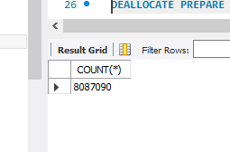
1

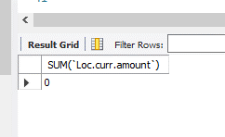
2

9

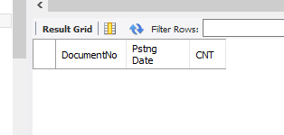
10

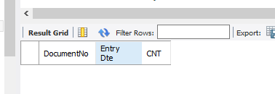
11

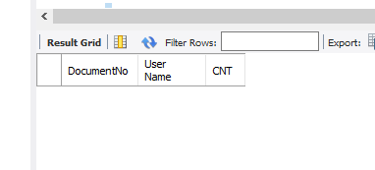
12

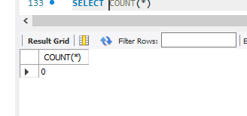
13

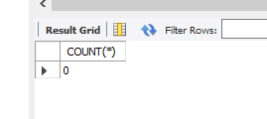
14

참고_SPOT
1 | 2 | 3 | 4 | 5 | 6 | 7 | 8 | 9 | 10 | 11 | 12 | 13 | 14 | 15 | 16 | 17 | 18 | 19 | 20 | 21 | 22 | 23 | 24 | 25 | 26 | 27 | 28 | 29 | 30 | 31
회사코드 | 회사명 | 전표번호 | 작성일자 | 작성시간 | 갱신일자 | 갱신시간 | 작성자ID | 작성자명 | 갱신자ID | 전기일자 | 증빙일자 | 회계월 | 전표유형 | 전표유형명 | 자동수동구분 | 전표적요 | 전표행번 | 전표적요상세 | 전표통화코드 | 기준통화코드 | 환율 | 차대변구분자 | 전표금액 | 차변금액 | 대변금액 | 전표금액 (기준통화) | 차변금액 (기준통화) | 대변금액 (기준통화) | 계정과목코드 | 계정과목명
필수 |  | 필수 | 필수 |  |  |  | 필수 | 필수 |  | 필수 |  | 필수 |  |  | 필수 | 필수 |  |  | 필수 | 필수 |  | 필수 |  |  |  |  |  |  | 필수 | 필수

유의사항
1. 필수필드: 짙은색 파란색으로 Hightlight된 필드는 필수로 정보가 입력되어야 하는 필드입니다.
2. 금액입력은 차변금액과 대변금액은 +를 기본값으로 입력하여야 합니다.
3. 금액검증:
(1) 금액일치여부 검증: Ʃ전표금액 = 0, Ʃ차변금액 = Ʃ대변금액
(2) TB와 상호일치여부 검증: ƩGL누적차변금액 = ƩTB누적차변금액, ƩGL누적대변금액 = ƩTB누적대변금액
4. GL에 있는 모든 계정과목이 TB와 완전하게 일치하는지 확인 필요
(예 GL 임시계정과목에 대한 정보도 TB에 기초금액, 누적차변, 누적대변, 기말잔액 정보가 필요함)

AA | AA | 20170102_1003 | 02/01/2017 | 13:17:23 | 02/01/2017 | 13:17:23 | 310301 | 김xx | 310301 | 02/01/2017 | 02/01/2017 | 1 | 117271A | 본지점(본사) | Manual | 논산송금 | 1 |  | KRW | KRW | 0 | D | 1,000,000,000 | 1,000,000,000 | - | 1,000,000,000 | 1,000,000,000 | - | 117271A | 본지점(본사)
AA | AA | 20170102_1003 | 02/01/2017 | 13:17:23 | 02/01/2017 | 13:17:23 | 310301 | 김xx | 310301 | 02/01/2017 | 02/01/2017 | 1 | 111140C | 보통예금 | Manual | 본사송금 | 2 |  | KRW | KRW | 0 | C | -830,091,867 | - | 830,091,867 | -830,091,867 | - | 830,091,867 | 111140C | 보통예금
AA | AA | 20170102_1003 | 02/01/2017 | 13:17:23 | 02/01/2017 | 13:17:23 | 310301 | 김xx | 310301 | 02/01/2017 | 02/01/2017 | 1 | 111140C | 보통예금 | Manual | 본사송금 | 3 |  | KRW | KRW | 0 | C | -59,663,693 | - | 59,663,693 | -59,663,693 | - | 59,663,693 | 111140C | 보통예금
AA | AA | 20170102_1003 | 02/01/2017 | 13:17:23 | 02/01/2017 | 13:17:23 | 310301 | 김xx | 310301 | 02/01/2017 | 02/01/2017 | 1 | 111140C | 보통예금 | Manual | 본사송금 | 4 |  | KRW | KRW | 0 | C | -1,315,200 | - | 1,315,200 | -1,315,200 | - | 1,315,200 | 111140C | 보통예금
AA | AA | 20170102_1003 | 02/01/2017 | 13:17:23 | 02/01/2017 | 13:17:23 | 310301 | 김xx | 310301 | 02/01/2017 | 02/01/2017 | 1 | 111140C | 보통예금 | Manual | 본사송금 | 5 |  | KRW | KRW | 0 | C | -108,929,240 | - | 108,929,240 | -108,929,240 | - | 108,929,240 | 111140C | 보통예금
AA | AA | 20170102_1004 | 04/01/2017 | 15:35:48 | 04/01/2017 | 15:35:48 | 310301 | 김xx | 310301 | 02/01/2017 | 02/01/2017 | 1 | 111140C | 보통예금 | Manual | 현금입금 | 1 |  | KRW | KRW | 0 | D | 715,000 | 715,000 | - | 715,000 | 715,000 | - | 111140C | 보통예금
AA | AA | 20170102_1004 | 04/01/2017 | 15:35:48 | 04/01/2017 | 15:35:48 | 310301 | 김xx | 310301 | 02/01/2017 | 02/01/2017 | 1 | 111111A | 현금 | Manual | 보통예입 | 2 |  | KRW | KRW | 0 | C | -715,000 | - | 715,000 | -715,000 | - | 715,000 | 111111A | 현금
AA | AA | 20170102_1001 | 04/01/2017 | 10:22:02 | 04/01/2017 | 10:22:02 | 313509 | 이xx | 313509 | 02/01/2017 | 02/01/2017 | 1 | 111111A | 현금 | Manual | 일일입금 박성정1외 | 1 |  | KRW | KRW | 0 | D | 715,000 | 715,000 | - | 715,000 | 715,000 | - | 111111A | 현금

6 FFR
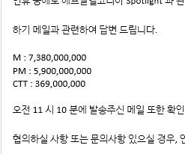
>> 표준

영문 | 국문 | Title
1a Journals to unusual account names | 1a 특이한 계정 이름에 대한 전표 | v
Identify journals entered into an account whose name includes a specified keyword. | 이름에 지정된 키워드가 포함된 계정에 입력된 전표를 식별합니다.
Journal to a GL Account whose name contains keywords; and | 이름에 키워드가 포함된 GL 계정에 대한 전표; 그리고
Journal to GL Accounts with total postings > X% of Performance Materiality or > Threshold entered | 총 전기액이 다음 중 하나인 GL 계정에 대한 분개 > 성과 중요성의 X% 또는 > 입력된 Threshold
1b Journals to specific accounts | 1b 특정 계정에 대한 전표 | v
Identify journals entered into specified accounts. | 특정 계정에 입력된 분개를 식별합니다.
Journal includes a GL Account whose number is…; and | 번호가 다음과 같은 GL 계정을 포함하는 전표; 그리고
Journal to GL Accounts with total postings > X% of Performance Materiality or > Threshold entered | 총 전기액이 다음 중 하나인 GL 계정에 대한 분개 > 성과 중요성의 X% 또는 > 입력된 Threshold
2 Journals to seldom used accounts | 2 거의 사용하지 않는 계정에 대한 전표 | v
Identify journals entered into accounts that have fewer than X entries in the period. | 해당 기간에 X개 미만의 항목이 있는 계정에 입력된 분개를 식별합니다.
Journal to a GL account with < X Journals in…; and | < X 회 미만 적용된 GL 계정에 대한 전표; 그리고
Journal whose gross debit value >X% Performance Materiality | 총 차변금액이 > PM의 X%인 전표
3 Simple journals to unrelated accounts | 3 관련 없는 계정에 대한 간단한 전표 | v
Identify simple journals that make entries into accounts within unrelated EMS categories. | 관련되지 않은 EMS 범주 내 계정에 항목을 입력하는 간단한 분개를 식별합니다.
Journal with lines for unrelated EMS categories; and | 관련 없는 EMS 카테고리에 대한 라인이 포함된 전표; 그리고
Journal is simple | 간단한 전표
4 Journals by users with few entries | 4 입력이 적은 사용자의 전표 | v
Identify the journals posted by users who have posted fewer than X journals in the period. | 해당 기간에 X개 미만의 전표를 전기한 사용자가 게시한 전표를 식별합니다.
Journal by a user with < X journals effective in …; and | < X개의 전표를 투입한 사용자의 전표 ;그리고
Journal whose gross debit value >X% Performance Materiality | 총 차변금액이 > PM의 X%인 전표
5 Weakly described impactful closing entry journal | 5 적요가 간략한, 영향력 있는 마감 전표 | v
Identify journals posted around period end with poor descriptions. | 적요가 부족하고 기간말에 게시된 전표를 식별합니다.
Journal entered after X days before…; and | 결산일로부터 X일 전후에 입력된 전표입니다...; 그리고
Journal description contains < X words; and | 전표 설명에 < X 단어(어절)가 포함되어 있습니다. 그리고
Journal whose gross debit value >X% Performance Materiality | 총 차변금액이 > PM의 X%인 전표
6 Non business day journals | 6 비영업일 전표 | v
Identify journals posted on specific non-business days including weekends, bank holidays and user defined dates. | 주말, 은행 휴무일, 사용자 정의 날짜 등 특정 비영업일에 게시된 전표를 식별합니다.
Journal entered on a non-business day; and | 비영업일에 입력된 전표 그리고
Journal whose gross debit value >X% Performance Materiality | 총 차변금액이 > PM의 X%인 전표
7 Journals containing keywords of interest | 관심 키워드가 포함된 전표 | v
Identify journals whose description or journal line descriptions contain key words of interest. | 전표적요 또는 라인적요에 관심 키워드가 포함된 전표를 식별합니다.
Journal description or line description contains keywords | 전표적요 또는 라인적요에 키워드가 포함되어 있습니다.
8 Journals containing recurring digits | 반복되는 숫자를 포함하는 전표 | v
Identify journals with a line item whose value contains recurring digits. | 값에 반복되는 숫자가 포함된 개별 항목이 있는 전표를 식별합니다.
Journal has a line item value with recurring digits; and | 전표에는 반복되는 숫자가 포함된 항목 값이 있습니다. 그리고
Journal includes a line item with value greater than X% of Performance Materiality | 전표에 성과 중요성의 X%보다 큰 값을 가진 항목이 포함되어 있습니다.
9 Journals containing round numbers | 반올림을 포함하는 전표 | v
Identify journals with a line item whose value is a round sum amount. | 값이 반올림 합계 금액인 개별 항목이 있는 분개를 식별합니다.
Journal has a line item with a round number value; and | 전표에 반올림 값이 포함된 항목이 있습니다. 그리고
Journal includes a line item with value greater than X% of Performance Materiality | 전표에 성과 중요성의 X%보다 큰 값을 가진 항목이 포함되어 있습니다.
10 Largest journal lines | 가장 큰 전표라인 | v
Identify the journals that contain one of the top X journal lines. | 상위 X개 전표라인 중 하나를 포함하는 전표를 식별합니다. |  | *주. Data의 각 1줄이 전표라인을 의미하며 라인의 묶음이 전표임
Journal contains at least one of the X largest journal lines | 전표에는 X개의 가장 큰 전표라인 중 하나 이상이 포함되어 있습니다.
11 Pre posted and back posted entries | 사전 게시 및 사후 게시 항목 | v
Identify journals which have been pre- or back-posted by more than X days. | X일 이상 사전 또는 사후 게시된 전표를 식별합니다.
Journal pre- or back-posted by > X days; and | 전표 사전 또는 사후 게시일: X일 이상; 그리고
Journal includes a line item with value greater than X% of Performance Materiality | 전표에 성과 중요성의 X%보다 큰 값을 가진 항목이 포함되어 있습니다.
12 Journals posted by certain users | 특정 사용자가 게시한 전표 | v
Identify journals posted by specific users. | 특정 사용자가 게시한 전표를 식별합니다.
Journal entered by…; and | 전표 입력자… 그리고
Journal includes a line item with value greater than X% of Performance Materiality | 전표에 성과 중요성의 X%보다 큰 값을 가진 항목이 포함되어 있습니다.
13 Journals with large debits to revenue in year | 해당 연도에 매출 차기액이 큰 전표 | v
Identify journals making a large net debit to the revenue EMS level 1 category. | 수익 EMS 레벨 1 범주에 큰 순 차기액을 발생시키는 전표를 식별합니다.
Journal whose net debit impact on revenue > X% of Performance Materiality or > Threshold; and | 수익에 대한 순 차기 영향이 성과 중요성의 X% 또는 임계값보다 큰 전표. 그리고
Journal entered prior to X days before… | X일 이전에 입력된 전표입니다...
14 Large PnL debit entries posted around YE | YE 주변에 게시된 대규모 PL(손익) 차기전표 | v
Identifies journals making large P&L debit entries before year end. | 연말 이전에 대규모 PL 차기하는 전표를 식별합니다.
Journal whose net impact by EMS level 1 > X% Performance Materiality or > Threshold; and | EMS 수준1의 순 영향액이 다음 중 하나인 전표; > 성과 중요성의 X% 또는 > 입력된 Threshold
Journal entered after X days before… | 결산일로부터 X일 전후에 입력된 전표
15 Large PnL credit entries posted around YE | YE 주변에 전기된 대규모 PL 대기 항목 | v | * Debit > 借記 / Credit > 貸記
Identify journals making large P&L credit entries before year end. | 연말 이전의 금액이 큰 PL 대기 전표를 식별합니다.
Journal whose net impact by EMS level 1 > X% Performance Materiality or > Threshold; and | 총 전기액이 다음 중 하나인 GL 계정에 대한 분개 ; 그리고 > 성과 중요성의 X% 또는 > 입력된 Threshold
Journal entered after X days before… | 결산일로부터 X일 전후에 입력된 전표

>>FRLK

Title | 설명 | 표준적용여부
1a Journals to unusual account names | 1a 특이한 계정 이름에 대한 전표 | V
1b Journals to specific accounts | 1b 특정 계정에 대한 전표
2 Journals to seldom used accounts | 2 거의 사용하지 않는 계정에 대한 전표 | V
3 Simple journals to unrelated accounts | 3 관련 없는 계정에 대한 간단한 전표 | V
4 Journals by users with few entries | 4 입력이 적은 사용자의 전표 | V
5 Weakly described impactful closing entry journal | 5 적요가 간략한, 영향력 있는 마감 전표 | V
6 Non business day journals | 6 비영업일 전표
7 Journals containing keywords of interest | 관심 키워드가 포함된 전표 | V
8 Journals containing recurring digits | 반복되는 숫자를 포함하는 전표 | V
9 Journals containing round numbers | 반올림을 포함하는 전표
10 Largest journal lines | 가장 큰 전표라인
11 Pre posted and back posted entries | 사전 게시 및 사후 게시 항목 | V
12 Journals posted by certain users | 특정 사용자가 게시한 전표 | V
13 Journals with large debits to revenue in year | 해당 연도에 매출 차기액이 큰 전표
14 Large PnL debit entries posted around YE | YE 주변에 게시된 대규모 PL(손익) 차기전표
15 Large PnL credit entries posted around YE | YE 주변에 전기된 대규모 PL 대기 항목
DTT1 Entries associated with an identified risk | 수동 수익전표 / CTT 초과 | 사용자정의
DTT2 Entries associated with an identified risk of | 수동 재고자산전표 | 사용자정의

전기조서
4 Journals by users with few entries

Identify the journals posted by users who have posted fewer than X journals in the period.

Journal by a user with < X journals effective in …; and DeleteInvertShow | 분기별 3개 이하의 전표를 입력한 사용자의 전표
Journal includes a line item with value greater than X% of Performance Materiality DeleteInvertShow | 감사인은 분개의 특성상 CTT를 전표금액의 합계가 CTT를 초과하는 전표의 추출은 경여진의 통제무력화 TEST 목적에는 적합하지 않은 것으로 판단했다. 사유는 산업규모상 CTT를 초과하는 전표는 빈번하게 발생하고 있기 때문이다. 따라서 Line을 기준으로 CTT를 초과하는 전표에 대해서 FFR에 대한 징후를 식별하고 평가하기로 결정하였다. 또한, 회사의 분개 과정 통제가 효과적으로 운영되고 있으며, 통제의 수준이 하위 단위까지 수행되고 있으나 당기 중요성의 감소 및 부정과 관련된 내외부 환경적인 요인으로 인하여 characteristics of fraudulent entries의 금액적 parameter를 CTT를 사용하기로 하였다. |  | 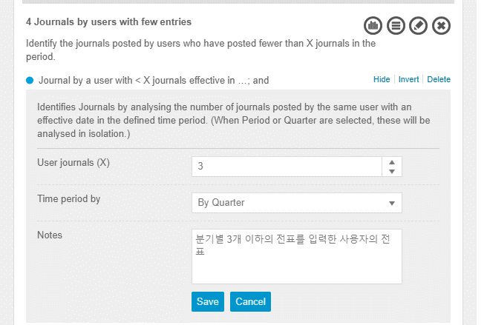 | 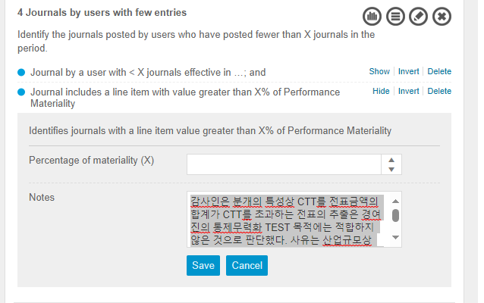
DTT2 Entries associated with an identified risk of

Select manual entries for inventories throughout the year

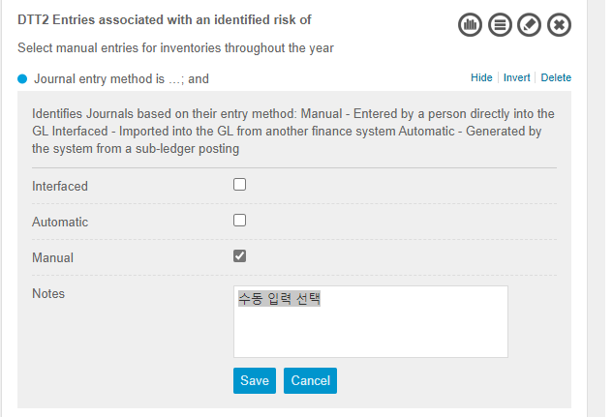
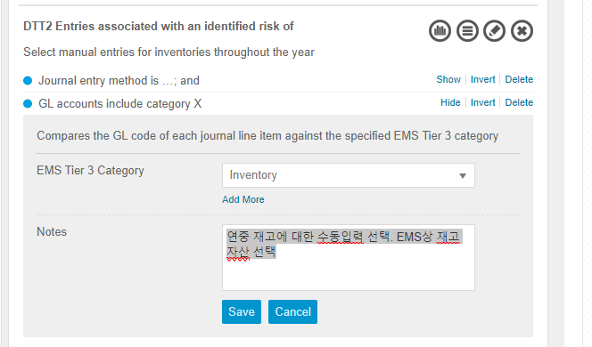
Journal entry method is …; and DeleteInvertShow | 수동 입력 선택
GL accounts include category X DeleteInvertHide | 연중 재고에 대한 수동입력 선택. EMS상 재고자산 선택
Compares the GL code of each journal line item against the specified EMS Tier 3 category
EMS Tier 3 Category
Inventory
Add More
Notes

Save Cancel
DTT1 Entries associated with an identified risk

Select manual entries for revenue recognition

Journal entry method is …; and DeleteInvertShow | 수익인식을 위한 수동 전표를 추출하기 위해, Manual 전표 선택
GL accounts include category X; and DeleteInvertShow | EMS상 Revenue 계정 선택
Journal includes a line item with value greater than X% of Performance Materiality DeleteInvertShow | 감사인은 분개의 특성상 CTT를 전표금액의 합계가 CTT를 초과하는 전표의 추출은 경여진의 통제무력화 TEST 목적에는 적합하지 않은 것으로 판단했다. 사유는 산업규모상 CTT를 초과하는 전표는 빈번하게 발생하고 있기 때문이다. 따라서 Line을 기준으로 CTT를 초과하는 전표에 대해서 FFR에 대한 징후를 식별하고 평가하기로 결정하였다. 또한, 회사의 분개 과정 통제가 효과적으로 운영되고 있으며, 통제의 수준이 하위 단위까지 수행되고 있으나 당기 중요성의 감소 및 부정과 관련된 내외부 환경적인 요인으로 인하여 characteristics of fraudulent entries의 금액적 parameter를 CTT를 사용하기로 하였다. | 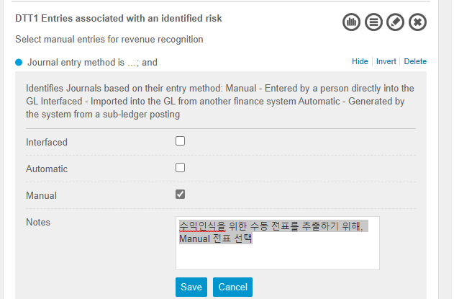 | 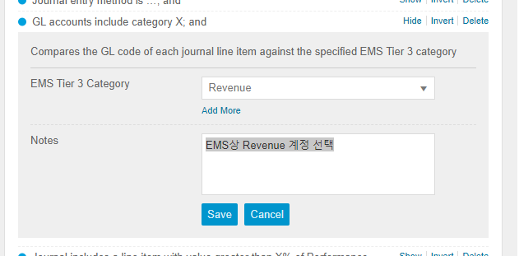 | 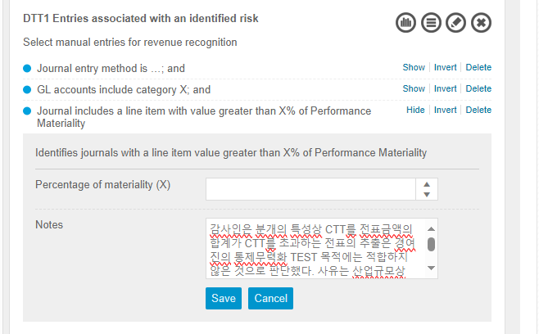
1a Journals to unusual account names

Identify journals entered into an account whose name includes a specified keyword.

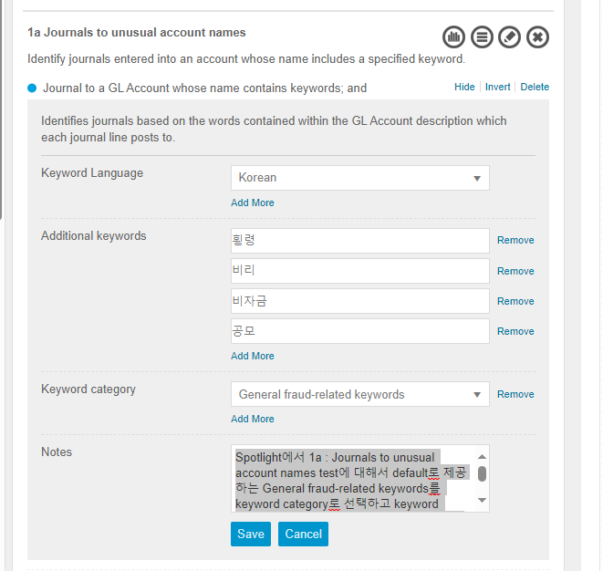
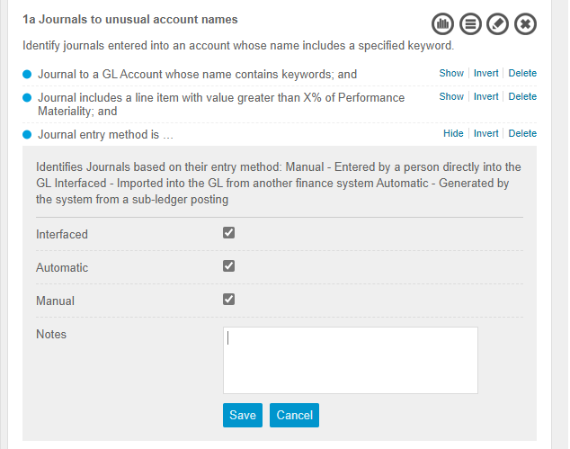
Journal to a GL Account whose name contains keywords; and DeleteInvertShow | Spotlight에서 1a : Journals to unusual account names test에 대해서 default로 제공하는 General fraud-related keywords를 keyword category로 선택하고 keyword language는 description의 대부분이 한글로 입력되므로 Korean을 선택함. 이 외에 감사인이 특별히 확인하고 싶은 단어 "횡령, 공모, 비리, 비자금"을 포함하여 추출하기로 결정하였음.
Journal includes a line item with value greater than X% of Performance Materiality; and DeleteInvertShow | 감사인은 분개의 특성상 CTT를 전표금액의 합계가 CTT를 초과하는 전표의 추출은 경여진의 통제무력화 TEST 목적에는 적합하지 않은 것으로 판단했다. 사유는 산업규모상 CTT를 초과하는 전표는 빈번하게 발생하고 있기 때문이다. 따라서 Line을 기준으로 CTT를 초과하는 전표에 대해서 FFR에 대한 징후를 식별하고 평가하기로 결정하였다. 또한, 회사의 분개 과정 통제가 효과적으로 운영되고 있으며, 통제의 수준이 하위 단위까지 수행되고 있으나 당기 중요성의 감소 및 부정과 관련된 내외부 환경적인 요인으로 인하여 characteristics of fraudulent entries의 금액적 parameter를 CTT를 사용하기로 하였다. |  | 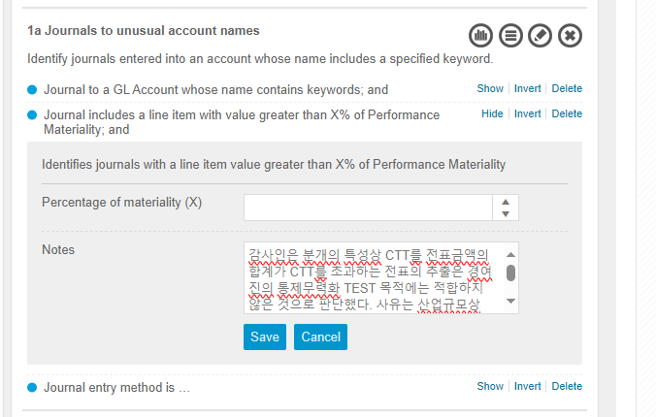
Journal entry method is … DeleteInvertShow
2 Journals to seldom used accounts

Identify journals entered into accounts that have fewer than X entries in the period.
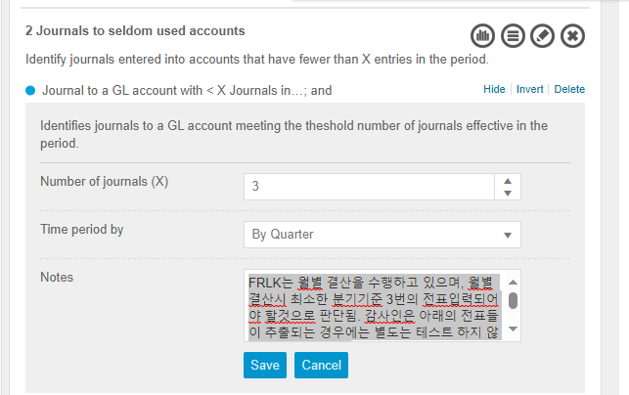
Journal to a GL account with < X Journals in…; and DeleteInvertShow | FRLK는 월별 결산을 수행하고 있으며, 월별 결산시 최소한 분기기준 3번의 전표입력되어야 할것으로 판단됨. 감사인은 아래의 전표들이 추출되는 경우에는 별도는 테스트 하지 않기로 결정하였다. 배당금, 법인세 등 몇개의 전표는 분기기준 3회 이하로 사용될 가능성이 높은 계정으로 부정과 직접적인 관련이 없는 것으로 판단하였다.
Journal includes a line item with value greater than X% of Performance Materiality DeleteInvertShow | 감사인은 분개의 특성상 CTT를 전표금액의 합계가 CTT를 초과하는 전표의 추출은 경여진의 통제무력화 TEST 목적에는 적합하지 않은 것으로 판단했다. 사유는 산업규모상 CTT를 초과하는 전표는 빈번하게 발생하고 있기 때문이다. 따라서 Line을 기준으로 CTT를 초과하는 전표에 대해서 FFR에 대한 징후를 식별하고 평가하기로 결정하였다. 또한, 회사의 분개 과정 통제가 효과적으로 운영되고 있으며, 통제의 수준이 하위 단위까지 수행되고 있으나 당기 중요성의 감소 및 부정과 관련된 내외부 환경적인 요인으로 인하여 characteristics of fraudulent entries의 금액적 parameter를 CTT를 사용하기로 하였다. |  | 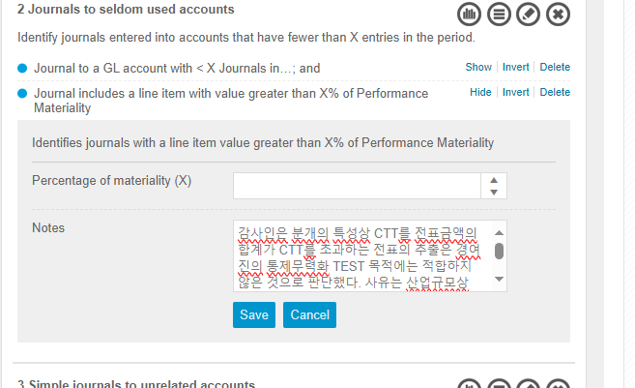
3 Simple journals to unrelated accounts

Identify simple journals that make entries into accounts within unrelated EMS categories.

Journal with lines for unrelated EMS categories; and DeleteInvertShow | 감사인은 해당 테스트의 목적은 차변이나 대변에 1개의 계정이 오고 반대에 여러개의 계정이 생성이 되는 경우 부정과 관련이 높은것으로 판단하였다. 해당 테스트는 FRLK의 규모를 고려할 때 한 쪽에 여러계정이 발생한 다는 것은 전표 금액이 클 것이라는 예측을 할 수 있다. 따라서 감사인은 CTT 이상의 항목이 포함된 전표들에 대해서 테스트를 수행하기로 결정하였다.
Journal is simple; and DeleteInvertShow | 저널을 단순하거나 복잡한 것으로 분류한다. 단순 저널은 DR 쪽 또는 CR 쪽 중 하나가 하나의 계정 번호에만 게시하는 저널로 정의되며, 그렇지 않으면 저널이 복잡하다고 간주된다
Journal includes a line item with value greater than X% of Performance Materiality DeleteInvertShow | 감사인은 분개의 특성상 CTT를 전표금액의 합계가 CTT를 초과하는 전표의 추출은 경여진의 통제무력화 TEST 목적에는 적합하지 않은 것으로 판단했다. 사유는 산업규모상 CTT를 초과하는 전표는 빈번하게 발생하고 있기 때문이다. 따라서 Line을 기준으로 CTT를 초과하는 전표에 대해서 FFR에 대한 징후를 식별하고 평가하기로 결정하였다. 또한, 회사의 분개 과정 통제가 효과적으로 운영되고 있으며, 통제의 수준이 하위 단위까지 수행되고 있으나 당기 중요성의 감소 및 부정과 관련된 내외부 환경적인 요인으로 인하여 characteristics of fraudulent entries의 금액적 parameter를 CTT를 사용하기로 하였다. |  | 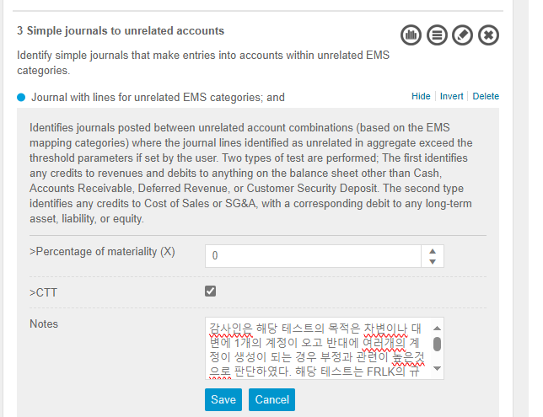 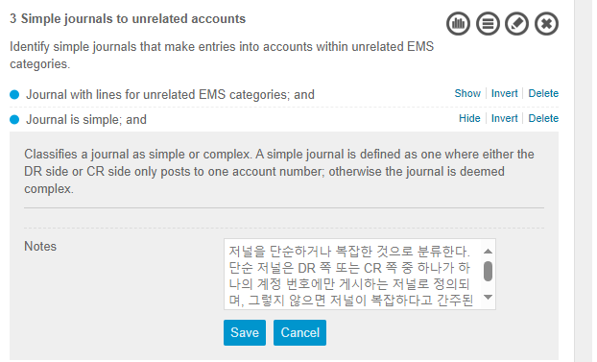 | 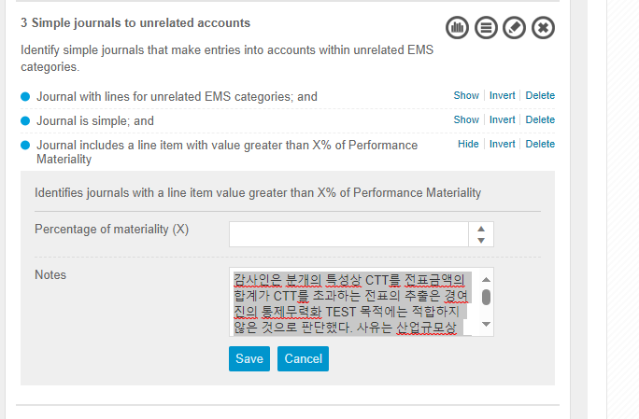
5 Weakly described impactful closing entry journal

Identify journals posted around period end with poor descriptions.

Journal entered prior to X days before…; and DeleteInvertShow | 마감 프로세스는 그룹의 지시에 따라 매월 말 후 3 주 이내에 완료되어야 한다. 따라서 21일 이전 내역에 대해서 확인한다.
Journal description contains < X words; and DeleteShow | 감사인은 시스템 default 값인 최소단위인 2단어 미만의 적요가 적혀 있는 경우 추출한다.
Journal includes a line item with value greater than X% of Performance Materiality DeleteInvertShow | 감사인은 분개의 특성상 CTT를 전표금액의 합계가 CTT를 초과하는 전표의 추출은 경여진의 통제무력화 TEST 목적에는 적합하지 않은 것으로 판단했다. 사유는 산업규모상 CTT를 초과하는 전표는 빈번하게 발생하고 있기 때문이다. 따라서 Line을 기준으로 CTT를 초과하는 전표에 대해서 FFR에 대한 징후를 식별하고 평가하기로 결정하였다. 또한, 회사의 분개 과정 통제가 효과적으로 운영되고 있으며, 통제의 수준이 하위 단위까지 수행되고 있으나 당기 중요성의 감소 및 부정과 관련된 내외부 환경적인 요인으로 인하여 characteristics of fraudulent entries의 금액적 parameter를 CTT를 사용하기로 하였다. |  | 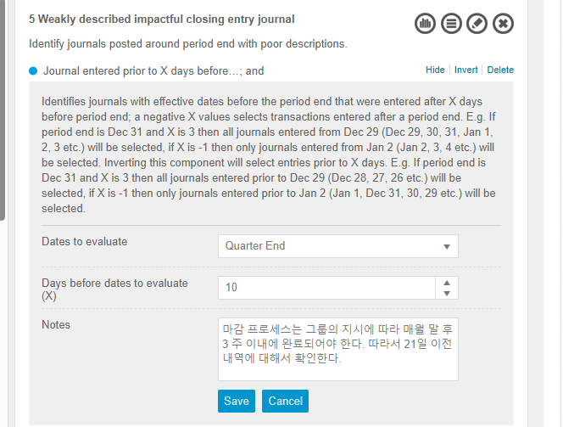 | 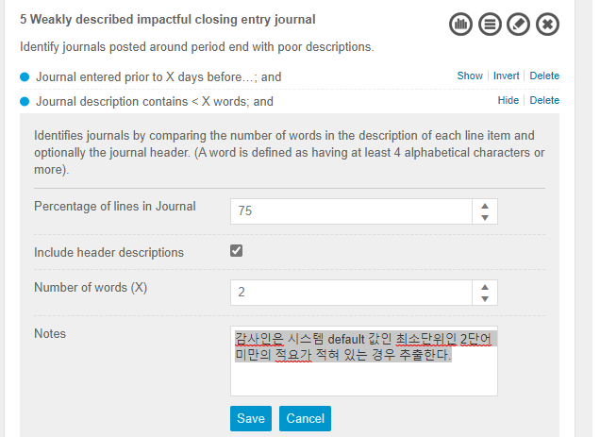 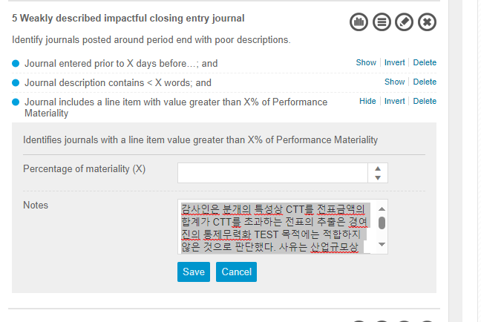
7 Journals containing keywords of interest

Identify journals whose description or journal line descriptions contain key words of interest.

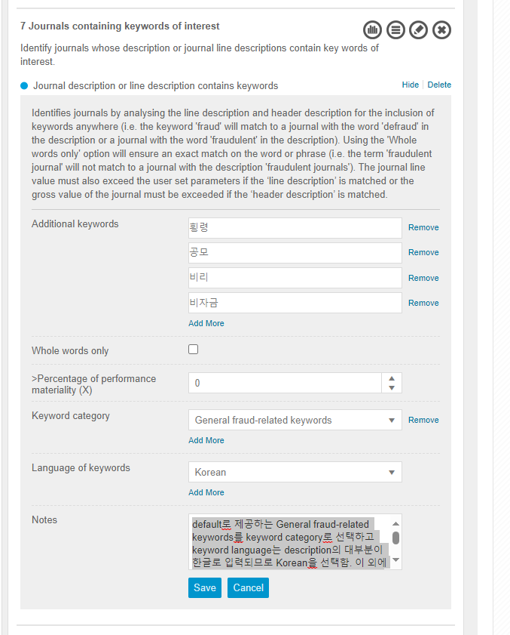
Journal description or line description contains keywords DeleteShow | default로 제공하는 General fraud-related keywords를 keyword category로 선택하고 keyword language는 description의 대부분이 한글로 입력되므로 Korean을 선택함. 이 외에 감사인이 특별히 확인하고 싶은 단어 "횡령, 공모, 비리, 비자금"을 포함하여 추출하기로 결정하였음.
8 Journals containing recurring digits

Identify journals with a line item whose value contains recurring digits.

Journal has a line item value with recurring digits; and DeleteInvertShow | 7자리 이상 동일 숫자가 반복되는 경우 추출한다.
Journal includes a line item with value greater than X% of Performance Materiality DeleteInvertShow | 감사인은 분개의 특성상 CTT를 전표금액의 합계가 CTT를 초과하는 전표의 추출은 경여진의 통제무력화 TEST 목적에는 적합하지 않은 것으로 판단했다. 사유는 산업규모상 CTT를 초과하는 전표는 빈번하게 발생하고 있기 때문이다. 따라서 Line을 기준으로 CTT를 초과하는 전표에 대해서 FFR에 대한 징후를 식별하고 평가하기로 결정하였다. 또한, 회사의 분개 과정 통제가 효과적으로 운영되고 있으며, 통제의 수준이 하위 단위까지 수행되고 있으나 당기 중요성의 감소 및 부정과 관련된 내외부 환경적인 요인으로 인하여 characteristics of fraudulent entries의 금액적 parameter를 CTT를 사용하기로 하였다. |  | 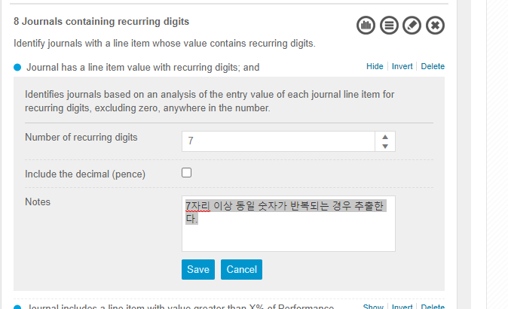 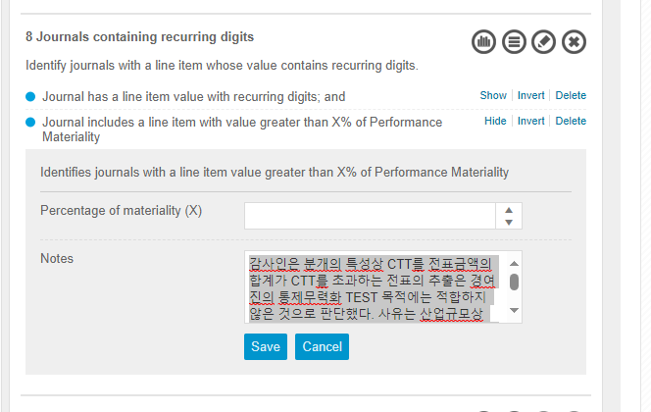
11 Pre posted and back posted entries

Identify journals which have been pre- or back-posted by more than X days.

Journal includes a line item with value greater than X% of Performance Materiality; and DeleteInvertShow | 감사인은 분개의 특성상 CTT를 전표금액의 합계가 CTT를 초과하는 전표의 추출은 경여진의 통제무력화 TEST 목적에는 적합하지 않은 것으로 판단했다. 사유는 산업규모상 CTT를 초과하는 전표는 빈번하게 발생하고 있기 때문이다. 따라서 Line을 기준으로 CTT를 초과하는 전표에 대해서 FFR에 대한 징후를 식별하고 평가하기로 결정하였다. 또한, 회사의 분개 과정 통제가 효과적으로 운영되고 있으며, 통제의 수준이 하위 단위까지 수행되고 있으나 당기 중요성의 감소 및 부정과 관련된 내외부 환경적인 요인으로 인하여 characteristics of fraudulent entries의 금액적 parameter를 CTT를 사용하기로 하였다. | 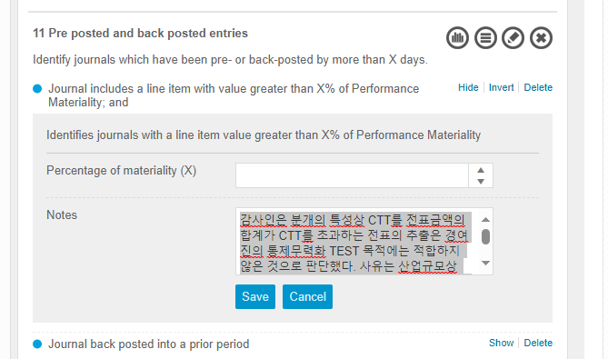 |  | 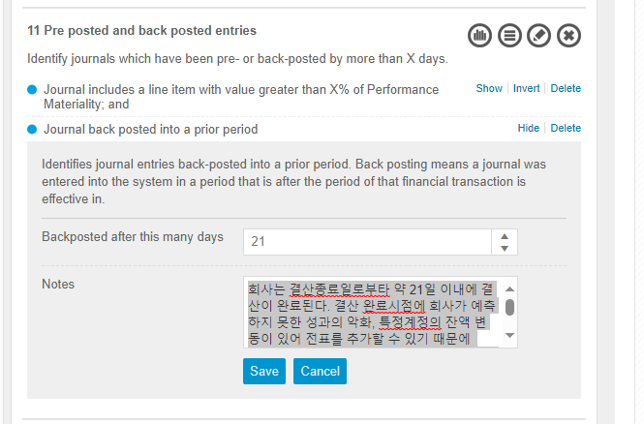
Journal back posted into a prior period DeleteShow | 회사는 결산종료일로부타 약 21일 이내에 결산이 완료된다. 결산 완료시점에 회사가 예측하지 못한 성과의 악화, 특정계정의 잔액 변동이 있어 전표를 추가할 수 있기 때문에 enter datd와 effective date가 22일 이상 차이나는 전표를 추출하여 테스트 하기로 결정하였다.
12 Journals posted by certain users

Identify journals posted by specific users.

Journal entered by…; and DeleteInvertShow | (*) FY22.05 기준 1. 사토시 하타세 00000366 2. 정현석 01428218 3. 타스노라 타가미 00165553 4. 나한기 00530994 5. 오우치다 상고 01516998 (당년도추가) (*) FY21.05 기준 1. 사토시 하타세 00000366 2. 정현석 01428218 (당년도 추가) 3. 유키 스가 00843660 4. 타스노라 타가미 00165553 5. 나한기 00530994 (당년도 추가) |  | 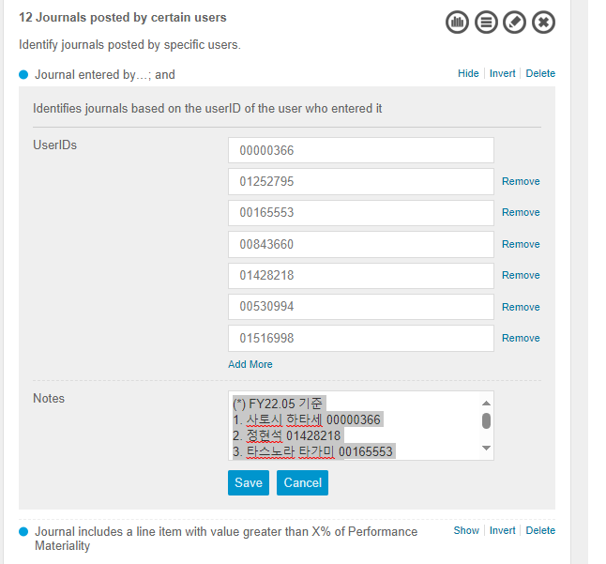
Journal includes a line item with value greater than X% of Performance Materiality | 감사인은 분개의 특성상 CTT를 전표금액의 합계가 CTT를 초과하는 전표의 추출은 경여진의 통제무력화 TEST 목적에는 적합하지 않은 것으로 판단했다. 사유는 산업규모상 CTT를 초과하는 전표는 빈번하게 발생하고 있기 때문이다. 따라서 Line을 기준으로 CTT를 초과하는 전표에 대해서 FFR에 대한 징후를 식별하고 평가하기로 결정하였다. 또한, 회사의 분개 과정 통제가 효과적으로 운영되고 있으며, 통제의 수준이 하위 단위까지 수행되고 있으나 당기 중요성의 감소 및 부정과 관련된 내외부 환경적인 요인으로 인하여 characteristics of fraudulent entries의 금액적 parameter를 CTT를 사용하기로 하였다. |  |  | 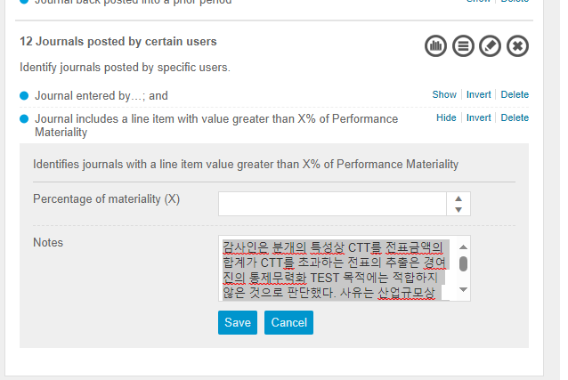

Simple Journal Data
Overarching |  | A file must only relate to a single financial year. If your data spans multiple financial years you must split it into separate financial years. i.e. the date effective of transactions in a file must all fit within a single financial year.

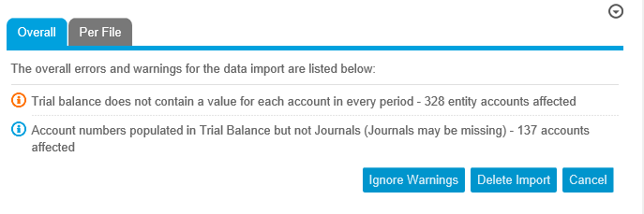
Field | Mandatory/Optional | Description | Corresponding Field in Client's Data | JET 시나리오 관련 field | 회사제시자료 checklist [with 감사팀] | Client Data Field Mapping checklist [with 영국ADC]
 | 영국ADC센터에서 요구하는 필수필드 |  |  |  | JET시나리오 관련 필드의 데이터 제시가 불가능하다면, 관련 JET 시나리오 이용이 불가능함을 감사팀에 전달할 것. | 최종 데이터 업로드 시 담당 analyst 로부터 Client Data Field Mapping Template을 전달받아서 각 필드별로 올바른 데이터가 mapping되었는지 최종 확인할 것.
Entity | 필수필드 O | This field contains the entity of the journal. If you have only one entity then this field will be the same in each cell. If you do not extract any entity information then make up a entity value (without spaces or non alphanumeric characters) and insert it consistently in both this journal file and the associated trial balance file. | 회사코드 |  |  |  | 정상적으로 업로드된 경우의 Spotlight warning 아래 warning 이외에 다른 내용의 warning이 나오면 data import 전에 한번 상의하기
Company Name | 필수필드 X | This field contains the full company name associated with the Entity in the previous field. If you only have one entity this field will be the same throughout. It is possible to set both Entity and Company name to the same provided there are no spaces in it. | 회사명
Journal Number | 필수필드 O | The Journal Number must be unique by entity by financial year. If a client reuses journal numbers each financial period then you should concatenate it with the Financial Period to create a unique Journal Number e.g. 8-[Orig Journal Number] for a period 8 journal. The Sum of the Signed Journal Amount across all of a journals lines MUST be zero; as must the SUM of Signed Amount EC. | 전표번호 | O | 1) 무조건 있어야 하는 정보. 2) 전표번호 별로 차대변금액이 일치하는지 확인 (확인이 필요한 필드: 작성일, 전기일, 자동수동구분자) | 전표번호를 [전표번호+작성자ID+α ]로 새로 생성해서 넣는 경우가 있음. 전표번호별로 작성자ID가 2개 이상인 경우, 하나의 전표가 2개이상으로 쪼개지게 됨. 영국에서 생성한 전표번호를 확인하고 전표별 차대변금액이 일치하는지 재확인할 것. -> 하나의 전표가 2개 이상으로 쪼개지면 절대 안됨…!
Spotlight Type | 필수필드 X | This is the field used by Spotlight to understand what the transaction relates to and allows you to do some additional tests.
Date Entered | 필수필드 O | This is the date the user entered the actual journal transaction i.e. when they typed it in. If the system does not record this then you can set this value to be the same as the "Date Effective" field. Note if you do this then pre and back posting analytics will not provide any results. | 작성일자 | O | 1) 작성일자 시나리오 관련 필드 2) 작성일자 정보가 없으면 전기일자와 동일한 날짜로 입력하고, 시나리오 이용 불가 감사팀에 전달. 3) 전표번호 별로 작성일자는 1개만 존재하는지 확인 (하나의 전표번호에 작성일자가 2개 이상이면 전표번호와 combine 했을때 차대가 일치하는지 확인할 것)
Time Entered | 필수필드 X | This is the time the user entered the actual journal transaction i.e. when they typed it in. If the system does not record this then you can leave it blank. | 작성시간
Date Updated | 필수필드 X | If a journal was unpdated this is the date it happened i.e. when they made the update. If the system does not record this then leave it blank. | 갱신일자
Time Updated | 필수필드 X | This is the time the user updated the journal transaction i.e. when they typed it in. If the system does not record this then leave it blank. | 갱신시간
UserID Entered | 필수필드 X | This field contains the username of the individual that created the journal. Although this field is not mandatory we recommend populating it as your FFR workpaper provides some useful insight into user posting behaviour if this field is populated. | 작성자ID | O | 1) 작성자ID 시나리오 관련 필드 2) 작성자ID 정보가 있는 경우 : - 모든 라인에 값이 들어가 있는지 확인 (공란이 없는지 확인) - 작성자ID는 영문 또는 숫자가 입력가능 3) 작성자ID 정보가 없는 경우 : 필수필드가 아니므로 Spotlight 업로드는 가능함. 다만, 작성자ID 시나리오 이용 불가 감사팀에 전달.
Name of User Entered | 필수필드 X | This field contains the full name associated with the username provided in the previous field. If this is not available you can leave it blank or populate this with the [UserID Entered]. Sometimes clients will not provide the full username as part of a Journal extract. However, if they are able to provide you with a user listing including usernames and associated full names. You can use a VLOOKUP against this separate data to populate this field. | 작성자명
UserID Updated | 필수필드 X | This field contains the username of the individual that updated the journal. Leave blank if not available or the transaction was not updated. | 갱신자ID
Name of User Updated | 필수필드 X | This field contains the full name associated with the username provided in the previous field. If this is not available you can leave it blank or populate this with the [UserID Updated]. See [Name of User Entered] field above for details on how to populate this field if a separate file of usernames is provided. | 갱신자명
Date Effective | 필수필드 O | This is the critical date on which the journal was made effective in the accounts. The dates in this field must fall within the upload period dates entered in the Data Upload screen. Further the dates must be within the financial period for the transaction e.g. a period 3 transaction for a December year end client must have an effective date between 1 March and 31 March; the entered date can of course be outside this period. If the client is not able to provide an effective date this can be approximated by using the Financial period and setting the date to be the beginning, middle or end of the month associated with each period. Note that if you do this testing around dates will not typically be meaningful. | 전기일자 | O | 1) 무조건 있어야 하는 정보. 2) 대상기간을 벗어나는 날짜가 있는지 확인 (예: 1월~6월 원장을 받을 경우 전기일자는 반드시 1월~6월만 존재해야 함) 3) 전표번호 별로 전기일자는 1개만 존재하는지 확인 (하나의 전표번호에 전기일자가 2개 이상이면 전표번호와 combine 했을때 차대가 일치하는지 확인할 것)
Date of Journal | 필수필드 X | This is the document date on the actual journal itself - e.g. this is often the date of underlying documentation for example when posting a journal to reflect an invoice the document date could be set as the invoice date.. | 증빙일자
Financial Period | 필수필드 X | This field contains the Financial Period in which this transaction is made effective in the accounts. If the client is unable to provide this field it can be calculated using the Date Effective field. Beware of clients that provide Period 0 postings as these are usually brought forward balances and should be placed into period 1 for Spotlight or excluded entirely if they are included within the opening TB position. If the client has a final closing period for post year end adjustments e.g. 13 then this must be set to the final real period in the year, typically 12. | 회계월
Journal Type | 필수필드 X | This optional field contains the Type associated with each journal as defined by the client. This field is useful for understanding the types of transactions being posted by each journals. | 전표유형
Journal Type Description | 필수필드 X | This field contains the description associated with the journal type in the previous field. The client may provide a separate file with the journal types, in which case, a VLOOKUP can be used to convert the [Journal Type] field into the [Journal Type Description] | 전표유형명
Auto Manual or Interface | 필수필드 O | This field is used to identify if a journal has been manually posted by an individual or is one posted due to an automated process. It is usually possible to make this distinction based on the Journal type or username making the posting. We recommend that if you can compute this field that you decide on a default starting point e.g. all journals are considered Manual unless ... This field is case sensitive and must be in the form "Auto", "Manual", "Interface" | 자동수동구분 | △ | 1) 관련된 JET시나리오는 없지만, 모든 시나리오의 전표추출 필터로 많이 이용되는 필드임. 2) 자동수동구분자가 있는 경우: 각 구분자가 무엇을 뜻하는지 감사팀에 확인 후 영국ADC에 전달. (예: A=auto, M=manual) 전표번호 별로 자동수동구분자는 1개만 존재하는지 확인 (하나의 전표번호에 구분자가 2개 이상이면 전표번호와 combine 했을때 차대가 일치하는지 확인할 것) 3) 자동수동구분자가 없는 경우: 필터기능을 이용할 수 없음을 감사팀에 전달.
Journal Description | 필수필드 X | This field contains the description associated with each unique journal. A simple way to differentiate between [Journal Description] and [Line Description] is to filter on a Journal Number. If the description stay constant this is the [Journal Description], if it changes it is the [Line Description]. If you only have a line description in this field then copy it into the [Line Description] field before deleting it from the [Journal Description] field. | 전표적요 | O | 1) 적요 시나리오 관련 필드 2) 시나리오 이용 불가 감사팀에 전달. | 전표적요 혹은 전표적요상세 2개중 하나만 있어도 되고 적요가 없다고 할 시에는 시나리오 일부를 사용 못한다고 감사팀에 안내 후 승인 받아서 진행하시면 됩니다
Line Number | 필수필드 X | This required field contains the line numbers within each unique journal. It is not possible to have non-unique numbers within each Journal. This can be populated manually if it not provided by the client. | 전표행번
Line Description | 필수필드 X | This field contains the description associated with each line within the journal. A simple way to differentiate between Journal description and line description is to filter on a Journal Number. If the description stay constant this is the Journal Description, if it changes it is the Line Description. If a journal description has been provided in this field then move it to the Journal Description and clear this field to blank. | 전표적요상세 |  |  | [전표적요] 필드는 보통 [전표적요상세] 필드에 넣는 경우가 종종 있음. 이건 괜찮음. 회사제시자료에 [전표적요]와 [전표적요상세] 데이터가 각각 있었다면, 두개의 정보가 모두 업로드되고 있는지 한번 확인할 것.
Currency | 필수필드 O | This field contains the currency in which the transaction was originally posted. With a client that deals in forex transaction you will find that this field contains multiple currencies. If no currency is provided then entered the base currency for your client. Likely to be "GBP" | 전표통화코드
Entity Currency (EC) | 필수필드 O | This field contains the currency in which the entity creates its financial statements. This must be the same currency as that used to generate the Trial Balance. For a given entity this field MUST be constant for each entity. If no currency is provided then entered the base currency for your client. Likely to be "GBP" | 기준통화코드
Exchange Rate | 필수필드 X | This field contains the exchange rate used to convert the transaction from the currency it was posted in to the entity currency. The exchange rate should be presented as Entity Currency/Transaction Currency e.g. A US denominated transaction in a GB entity would have an exchange rate of about 1/1.5 i.e 0.66667 | 환율
DC Indicator | 필수필드 O | This field contains the Debit/Credit indicator. D=Debit, C=Credit. | 차대변구분자
Signed Journal Amount | 필수필드 O | This field contains the value of the transaction in its posting currency. I.e. if the transaction was made in USD this will the USD value of the transaction. Debits are expected to be positive numbers and credits should be negative numbers. For a GBP denominated entity you may not be provided with this value in which case simply copy it from teh Signed Amount EC field. | 전표금액
Unsigned Debit Amount | 필수필드 O | This value must not include any negative symbols and should only be set where the value is a Debit. | 차변금액
Unsigned Credit Amount | 필수필드 O | This value must not include any negative symbols and should only be set where the value is a Credit. | 대변금액
Signed Amount EC | 필수필드 O | This field contains the value of the transaction as held in the entity reporting currency. i.e. If the transaction was made in USD and the entity currency is GBP this field will hold the GBP equivalent of the USD value held in Signed Journal Amount. | 전표금액 (기준통화)
Unsigned Debit Amount EC | 필수필드 O | This value must not include any negative symbols and should only be set where the value is a Debit. | 차변금액 (기준통화)
Unsigned Credit Amount EC | 필수필드 O | This value must not include any negative symbols and should only be set where the value is a Credit. | 대변금액 (기준통화)
Account Number | 필수필드 O | This field contains the account to which the journal transaction has been posted. Please ensure that this matches the accounts in the Trial Balance and watch out for any leading zeros that may have been excluded by accident. E.g. An Account number might be 00012345 in the Journal whilst the Trial Balance may have this as 12345. If your acocunt numbers are too-long for Spotlight send in a support request using Sharepoint. | 계정과목코드
Account Description | 필수필드 X | This field contains the description of the account to which the transaction has been posted. If you have added the descriptions into the TB you do not need to add them here. | 계정과목명 | O | 1) 계정과목명 JET 시나리오 관련 필드 2) GL에 계정과목명이 없어도, TB에 계정과목명이 있으면 상관없음. 3) TB에도 계정과목명이 없으면 해당 JET시나리오 이용 불가를 감사팀에 전달.
Controlling Area for Cost and Profit Centre | 필수필드 X | If you want to use Cost or Profit centres, you must also supply this field and ALL other Cost and Profit centre fields. It is the cost and profit centre equivalent to chart of accounts - the top level grouping which they sit under. If your client does not use controlling area, pick a sensible default such as 'All'.
Cost Centre | 필수필드 X | The cost centre which the journal posting relates to. For example, an OpEx posting may be assigned to a number of cost centres to spread the expense across different business units for reporting purposes. Watch out for any leading zeros that may have been excluded by accident. E.g. An Account number might be 00012345 in the Journal whilst the Trial Balance may have this as 12345. | Cost Center 코드
Cost Centre Description | 필수필드 X | The description of the cost centre. The client may provide these descriptions in a separate file in which case a VLOOKUP can be used to poulate this field. | Cost Center 명
Profit Centre | 필수필드 X | The profit centre which the journal posting relates to. For example, a revenue posting may be assigned to a particular profit centre or reporting purposes. Watch out for any leading zeros that may have been excluded by accident. E.g. An Account number might be 00012345 in the Journal whilst the Trial Balance may have this as 12345. | Profit Center 코드
Profit Centre Description | 필수필드 X | The description of the profit centre. The client may provide these descriptions in a separate file in which case a VLOOKUP can be used to poulate this field. | Profit Center 명
Source Activity or Transaction Code | 필수필드 X | The program/menu/transaction used in the ERP system to produce the posting. For SAP systems, this is the transaction code, e.g. FB01. This should not be confused with the document type which is included above. This field can often be useful for extablishing if a transaction was created automatically or manually. | 원천시스템 명 (또는 거래 코드명)

